1. Title Page
[Instacart Grocery Basket Analysis]

Project Name: Instacart Grocery Basket Analysis
Date: March 2023
Analyst Name: Katja Gonzales

Contents:
Population Flow
Consistency checks
Wrangling steps
Column derivations
Visualizations
Recommendations

Data frames and citation:

“The Instacart Online Grocery Shopping Dataset 2017”, Accessed from
https://www.instacart.com/datasets/grocery-shopping-2017

CareerFoundry
"Customer data as well as the “prices” column in the products data set, were both fabricated for the purpose of this course"
Accessed from
https://careerfoundry.com/en/course/data-immersion/exercise/coding-etiquette-reporting#instacart-analysis-final-report

2. Population Flow
Title page

Population flow

Exclusion flag
Condition: max_order < 5
Obervations to be removed: : 1,440,295
Final total count of ords_prods_high_activity_customers: 30, 964,564

Orders_products_combined
Orders_products_merged
Orders_products_customers_merged

Total: 32,404,859
Total: 32,404,859
Total: 32,434,489

1.) The grey boxes in the first row of the population flow represent the original data sets as they were when you downloaded them. In the Total fields you need to add the count of the rows when you imported the data set into Jupyter.
2.) The second row of boxes (coloured) represents the data sets after you manipulated them, e.g., removed missing values and duplicates. In the Total fields you need to add the count of the rows after conducting these operations. This offers a visual overview of how the data flows throughout the data consistency checks.
3.) The third row, where also the arrows are coloured, represents the merges you performed between the datasets. In the Total fields you need to add the count of the rows in the merged datasets, so that you end up with the final dataset (in the red box). Keep in mind the final dataset should be without exclusions (based on the exclusion flag).

3. Consistency checks
 |  |  |  | Title page
Consistency checks

Dataset | Missing values | Missing values treatment | Duplicates
orders | 20.620 missing values in ['days_since_prior_order'] | Creation of new column ['new_customer'] to indicate that the missing values correspond to the first oder of a customer | None
products | 16 missing values in ['product_name'] | Creation of a new dataframe minus missing values | 5 duplicate records were found and removed
orders_products_prior | None | None | None
customers | 11.259 missing values in ['First Name'] | The column ['First Name'] was dropped because it is irrelevant for the analysis | None

4. Wrangling steps
 |  |  |  | Title page
Wrangling steps

Columns dropped | Columns renamed | Columns' type changed | Comment/Reason
['eval_set'] from df_ords |  |  | contains system information that is not relevant for the project
 | df_ords: ['order_dow'] renamed ['order_day_of_week'] |  | new name is easier to understand
 |  | ['order_id'] from int64 to string | because the column contains qualitative data
 |  | ['user_id'] from int64 to string | because the column contains qualitative data
 | df_ords_prods_custm: ['Gender'] renamed ['gender'] |  | renamed to 'gender' to match naming conventions
 | df_ords_prods_custm: ['STATE'] renamed ['state'] |  | renamed to 'state' to match naming conventions
 | df_ords_prods_custm: ['Age'] renamded ['age'] |  | renamed to 'age' to match naming conventions
 | df_ords_prods_custm: ['n_dependants'] renamed ['number_dependants'] |  | renamed to 'number_dependants' for clarity
 | df_ords_prods_custm: ['fam_status'] renamed ['family_status'] |  | renamed to 'family_status' for clarity
['First Name'] from df_customers
['Surnam'] from df_customers
 |  | ['order_number'] from int64 to int8 | to save memory
 |  | ['order_day_of_week'] from int64 to int8 | to save memory
 |  | ['order_hour_of_day'] from int64 to int8 | to save memory
 |  | ['days_since_prior_order'] from float64 to float16 | to save memory
 |  | ['max_order'] from int64 to int8 | to save memory
 |  | ['number_dependants'] from int64 to int8 | to save memory
 |  | ['product_id'] from int64 to int32 | to save memory
 |  | ['reordered'] from int64 to int8 | to save memory
 |  | ['add_to_cart_order'] int64 to int32 | to save memory
 |  | ['aisle_id'] from int64 to int32 | to save memory
 |  | ['department_id'] from int64 to int32 | to save memory
['add_to_cart_order'] from df_ords_prods_custm |  |  | contains information that is not relevant for the project
['reordered'] from df_ords_prods_custm |  |  | contains information that is not relevant for the project

5. Column derivations
 |  |  |  | Title page

Column derivations and aggregations

Dataset | New column | Column/s it was derived from | Conditions
orders_products_merged.pkl | ['price_range'] | ['prices'] | If price is more than $15 flagged as 'high-range product', if price is higher than $5 and less than or equal to $15 flagged as 'mid-range product'. If prices are equal to or lower than $5 flagged as 'low-range product'.
orders_products_merged.pkl | ['busiest_day'] | ['order_day_of_week'] | If day is 0 it is flagged as 'busiest' day, if it’s the 4th day it is flagged as 'least busiest'. Anything else will be flagged as 'regularly busy'
orders_products_merged.pkl | ['busiest_days'] | ['order_day_of_week'] | If day is 0 or 1 flagged as 'busiest day'. If day is 3 or 4 flagged as 'slowest day'. Anything else will be flagged as 'regularly busy'
orders_products_merged.pkl | ['busiest_period_of_day'] | ['order_hour_of_day'] | If hour is on the 1st quantile then flagged: 'Fewest orders', if hour is between quantile 1 and 3, flagged: 'average orders' if hour is on the 3rd quantile flagged: 'Most orders'.
orders_products_merged_update.pkl | ['loyalty_flag'] | Grouped by[' user_id'] and aggregated max values from ['order_number'] | If user has over 40 orders, flag: 'Loyal customer'. If user has more than 10 orders and less than or equal to 40 customers flag: 'Regular customer'. If user has less than or equal to 10 orders flag: 'New customer'.
orders_products_merged_update.pkl | ['spending_flag'] | Grouped by ['user_id'] and aggregrated average values of ['prices'] | If user has spent less than $10 , flag: 'Low Spender'. If user has spent $10 or more, flag: 'High Spender'.
orders_products_merged_update.pkl | ['frequency_flag'] | Grouped by ['user_id'] and aggregrated by the median of ['days_since_prior_order'] | If median values is more than 20, flag: 'Non-frequent customer'. If median values between 10 and 20, flag: 'Regular customer'. If values are less or equal to 10, flag: 'Frequent customer'.
orders_products_customers_merge_short.pkl | ['region'] | ['state'] | States were aggregated into regions as follows: 'Northeast' : ['Maine', 'New Hampshire', 'Vermont', 'Massachusetts', 'Rhode Island', 'Connecticut', 'New York', 'Pennsylvania', 'New Jersey 'Midwest' : ['Wisconsin', 'Michigan', 'Illinois', 'Indiana', 'Ohio', 'North Dakota', 'South Dakota', 'Nebraska', 'Kansas', 'Minnesota', 'Iowa', 'Missouri'] 'South' : ['Delaware', 'Maryland', 'District of Columbia', 'Virginia', 'West Virginia', 'North Carolina', 'South Carolina', 'Georgia', 'Florida', 'Kentucky', 'Tennessee', 'Mississippi', 'Alabama', 'Oklahoma', 'Texas', 'Arkansas', 'Louisiana'] 'West' : ['Idaho', 'Montana', 'Wyoming', 'Nevada', 'Utah', 'Colorado', 'Arizona', 'New Mexico', 'Alaska', 'Washington', 'Oregon', 'California', 'Hawaii']
orders_products_customers_merge_short.pkl | ['exclusion_flag'] | ['max_order'] | If max_order less than 5 flagged as 'low-activity'. Otherwise, flagged as 'high-activity'
ords_prods_high_activity_customers.pkl | ['income_flag'] | ['income'] | If income is < 70000 then flagged as 'Low', if income >= 70000 & income < 120000 then flagged as 'Middle', if income >= 120000 then flagged as 'High'
ords_prods_high_activity_customers.pkl | ['age_category'] | ['age'] | If age >= 18 & age < 35 then flagged as 'Youth', if age is >= 35 & age <65 then flagged as 'Middle age', if age >= 65 then flagged as 'Senior'
ords_prods_high_activity_customers.pkl | ['dependant_status'] | ['number_dependants'] | If number of dependants = 0, then flagged as 'no dependants, if number dependants > 0, then flagged as 'has dependants'
ords_prods_high_activity_customers.pkl | ['profile_fam_stat_income'] | ['family_status'] and ['income_flag'] | If family status is 'single' and income_flag is 'high', then flagged as 'high-income single adult' If family status is 'single' and income_flag is 'middle', then flagged as 'mid-income single adult' If family status is 'single' and income_flag is 'low' , then flagged as 'low-income single adult' If family status is 'married' and income_flag is 'high', then flagged as 'high-income married adult' If family status is 'married' and income_flag is 'middle', then flagged as 'mid-income married adult' If family status is 'married' ind income_flag is 'low', then flagged as 'low-income married adult' If family status is 'divorced/widowed' and income_flag is 'high', then flagged as 'high-income divorced/widowed adult' If family status is 'divorced/widowed' and income_flag is 'middle', then flagged as 'mid-income divorced/widowed adult' If family status is 'divorced/widowed' and income_flag is 'low', then flagged as 'low-income divorced/widowed adult' If family status is 'living with parents or siblings' and income_flag is 'high', then flagged as 'high-income living with family adult' If family status is 'living with parents or siblings' and income_flag is 'middle', then flagged as 'mid-income living with family adult If family status is 'living with parents or siblings' and income_flag is 'low', then flagged as 'low income living with family adult
ords_prods_high_activity_customers.pkl | ['profile_fam_size'] | ['number_dependants'] | If number of dependants = 1, then flagged as 'small family', if number of dependants = 2, then flagged as 'medium family', if number of dependants = 3, then flagged as 'big family'
ords_prods_high_activity_customers.pkl | ['profile_fam_income'] | ['number_dependants'] and ['income_flag'] | If number of dependants > 0 and income_flag is 'high', then flagged as 'high-income family' If number of dependants > 0 and income_flag is 'middle', then flagged as 'mid-income family' If number of dependants > 0 and income_flag is 'low', then flagged as 'low-income family' If number of dependants = 0 and income_flag is 'high', then flagged as 'high-income no dependants' If number of dependants = 0 and income_flag is 'middle', then flagged as 'mid-income no dependants' If number of dependants = 0 and income_flag is 'low', then flagged as 'low-income no dependants'
ords_prods_high_activity_customers.pkl | ['profile_age_income'] | ['age_category'] and ['income_flag'] | If age_category is 'Senior' and income_flag is 'high', then flagged as 'high-income senior' If age_category is 'Senior' and income_flag is 'low', then flagged as 'low-income senior' If age_category is 'Middle age' and income_flag is 'high', then flagged as 'high-income middle aged' If age_category is 'Middle age' and income_flag is 'low', then flagged as 'low-income middle-aged' If age_category is 'Youth' and income_flag is 'high', then flagged as 'high-income youth' If age_category is 'Youth' and income_flag is 'low', then flagged as 'low-income youth'
ords_prods_high_activity_customers.pkl | ['profile_departments'] | ['department_id'] | If number of dependants > 0 and department_id = 18, then flagged as 'family with baby' If department_id = 12, then flagged as 'meat consumers' If department_id = 5, then flagged as 'alcohol drinkers' If department_id = 8, then flagged as 'pet owners'
ords_prods_high_activity_customers.pkl | ['order_time_period'] | ['order_hour_of_day'] | If hour in [0, 1, 2, 3, 4, 17, 18, 19, 20, 21, 22, 23], then flagged as 'Night Owl', if hour in [5, 6, 7, 8], then flagged as 'Early Bird' , else flagged as 'Regular'
ords_prods_high_activity_customers.pkl | ['customer_profile'] | based on: ['number_dependants'], ['income_flag'], ['family_status'], ['age_category'], ['department_id'] | If number of dependants > 0 and income_flag is 'High', then flagIged as 'high income family' If number of dependants > 0 and income_flag is 'Middle', then flagged as 'mid-income family' If number of dependants > 0 and income_flag is 'Low', then flagged as 'low-income family' If family_status is 'single' and income_flag is 'High', then flagged as 'high-income single adult' If family_status is 'single' and income_flag is 'Low', then flagged as 'low-income single adult' If age_category is 'Senior' and income_flag is 'High', then flagged as 'high-income senior' If age_category is 'Senior' and income_flag is 'Low', then flagged as 'low-income senior' If family_status is 'single' and department_is = 5, then flagged as 'single adult alcohol drinker' If age_category is 'Senior' and department_id = 8, then flagged as 'senior with pets' If number of dependants > 0 and department_id = 18, then flagged as 'family with baby' If age_category is 'Middle age' and department_id = 12, then flagged as 'middle-aged meat consumer' The other observations not included in the list were flagged as 'other'
ords_prods_high_activity_customers.pkl | ['department'] | ['department_id'] | A dictionary from ['department_id'] was derived and used to fill in the department name in place of the department_id number

In this tab you should add tables below that the frequences of flags/label variables that you produced after deriving them. NB: don't do this for continuous variables, only for flags.

6. Visualizations
Title page

Visualizations

In this tab you should include all the visualtions from Exercises 4.9 and 4.10, alongside the questions from the project brief that they answer. Include any commentary on the relationship between different variables.

KEY QUESTIONS

1. Which are the busiest days of the week and hours of the day (i.e., the days and times with the most orders) in order to schedule ads at times when there are fewer orders ?

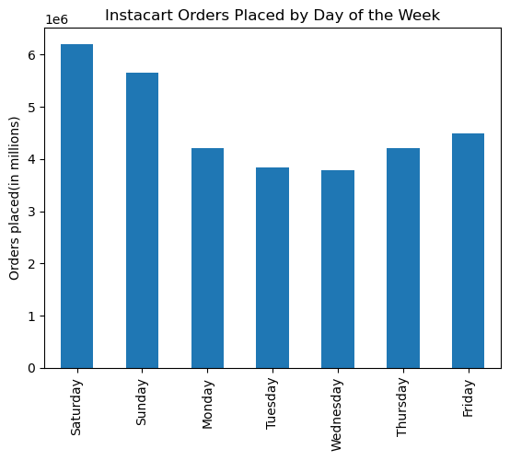
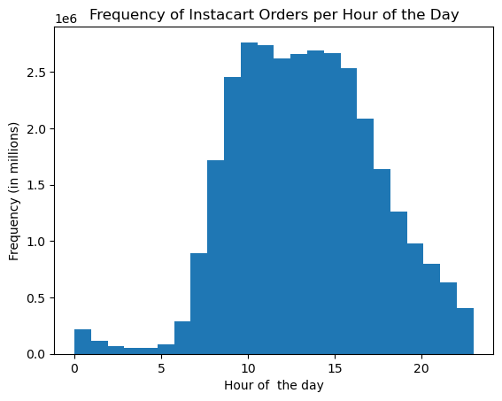

The busiest days of the week are Saturday and Sunday
The busiest hours of the day are between 9 am and 3 pm

2. Are there particular times of the day when people spend the most money, as this might inform the type of products they advertise at these times.

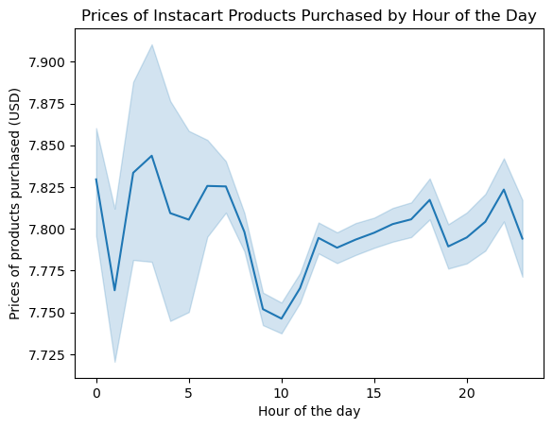
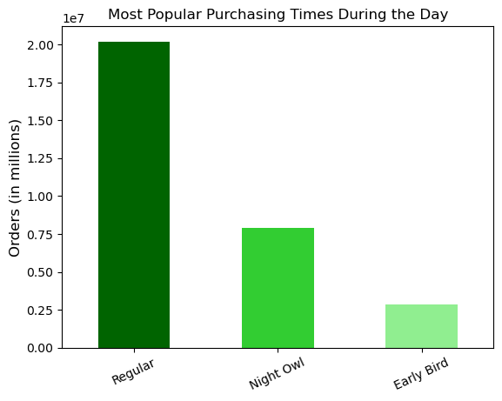

Most people prefer to order during the Regular hours from 9 am - 5 pm, followed by the Night Owl hours from 5 pm - 4 am .
Very few people place their orders during the Early Bird hours from 5 am - 8 am
During the night and early in the morning, aproximately from 12 pm - 7 am more expensive products are sold, whereas in the morning cheaper products are purchased, with the lowest prices around 10 am.

3. Instacart has a lot of products with different price tags. Marketing and sales want to use simpler price range groupings to help direct their efforts.

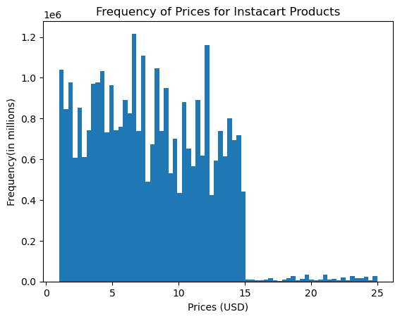
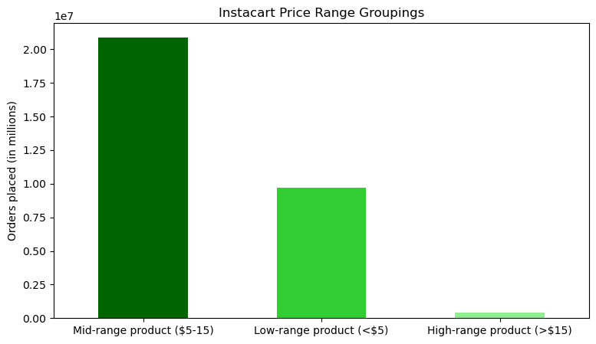

Most prodcuts are priced between $1 and $15,
only very few products have prices between $15 and $25
Mid-range priced prodcuts are the most popular, followed by low-range priced items. The least ordered products are high-range products

4. Are there certain types of products that are more popular than others? The marketing and sales teams want to know which departments have the highest frequency of product orders.

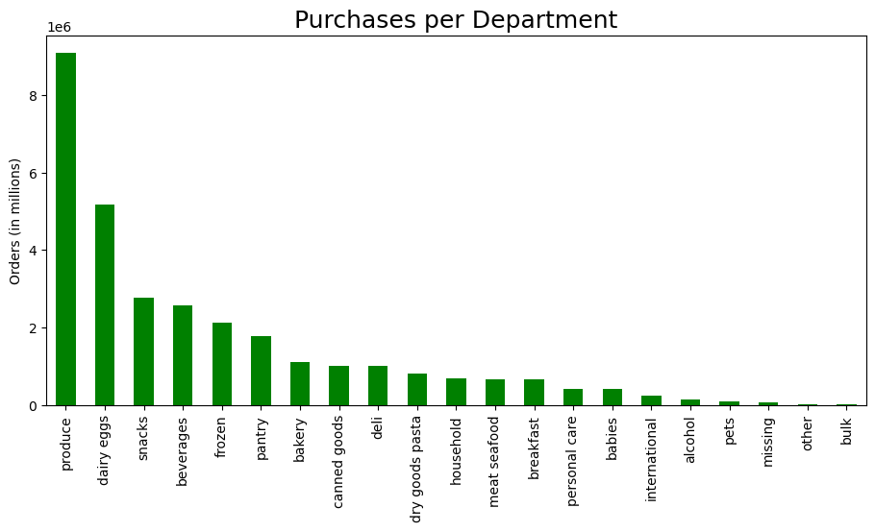
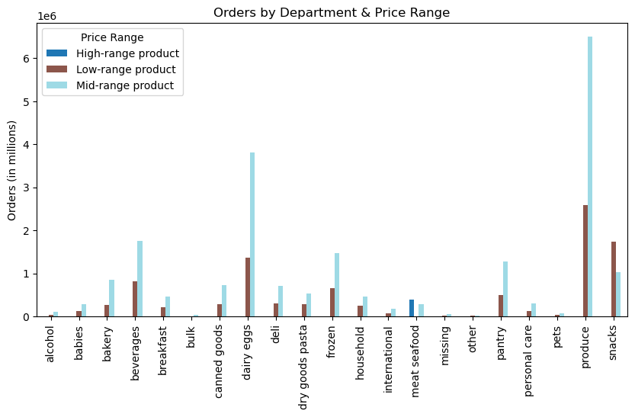
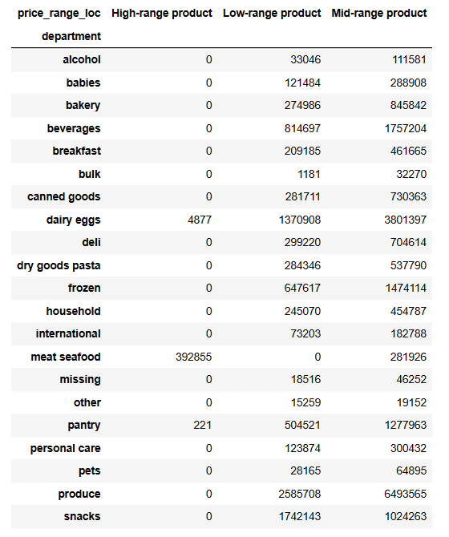

Looking at the price range of the products ordered from a certain department, most people prefer to order mid-range priced products, except for meat/seafood where customers prefer higher-priced items and snacks where low-priced items are ordered more frequently.

The most popular departments are produce, dairy/eggs and snacks.
The least popular departments are other and bulk.

There are no low-range products for the meat/seafood department since these products are usually priced at at least $5.
For many departments there are no high-range products available since those products are priced at over $15.

5. What’s the distribution among users in regards to their brand loyalty (i.e., how often do they return to Instacart)?

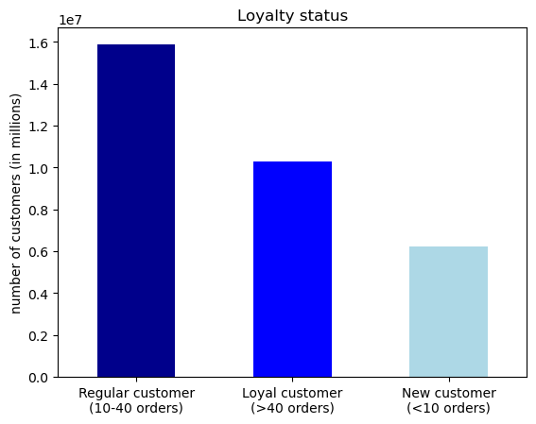
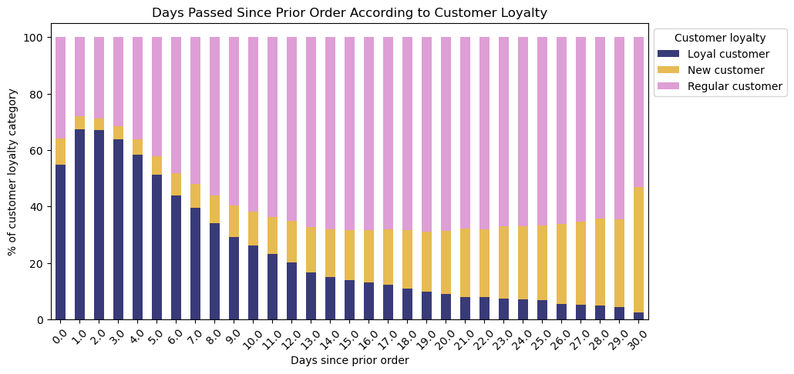

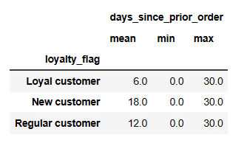

The most common order frequency is 7 days since the prior order which is most common for Regular customers as well as Loyal customers. For New Customers it is most common to place another order after 30 days.
Most Instacart customers can be classified as Regular customers that place between 10-40 orders, followed by Loyal customer who placed over 40 orders. The smallest proportion of customers is made up by New customer who placed less than 10 orders.
Most Loyal customers return to place an order after 1 or 2 days, while Regular customers place another order between 14 and 29 days.
Most New customers return to order again after 29 days.
In average Loyal customers return to place an order after 6 days, while Regular customers place another order after 6 days.
Most New customers place another order after around 18 days.

6. Are there differences in ordering habits based on a customer’s loyalty status?

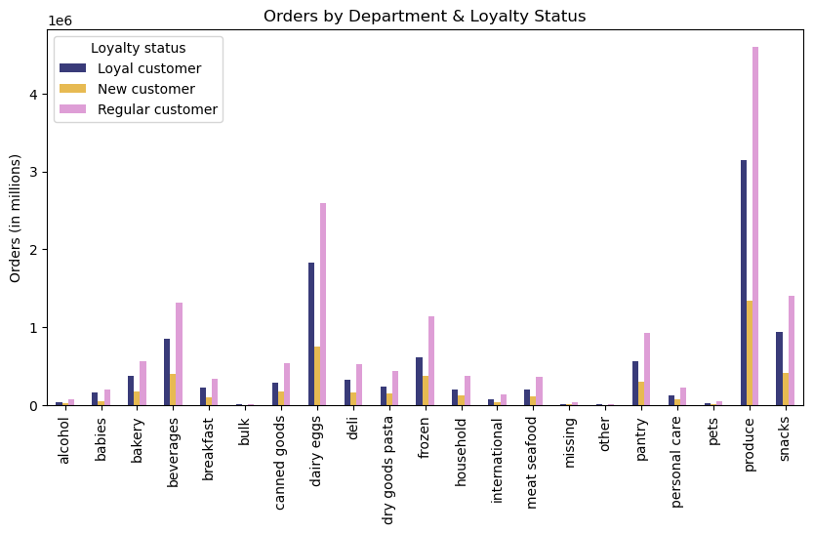

In general Loyal customers and Regular customers make more purchases throughout the departments than New customers.
The Regular customers are leading the order numbers for all the departments, with produce, dairy/eggs, snacks and beverage being the most popular departments.

7. Are there differences in ordering habits based on a customer’s region?

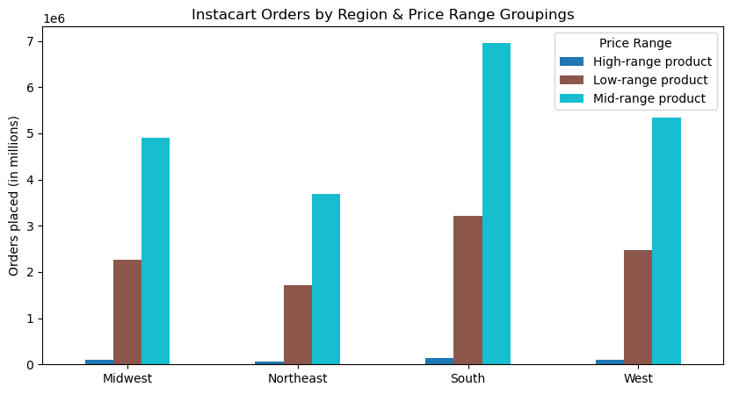
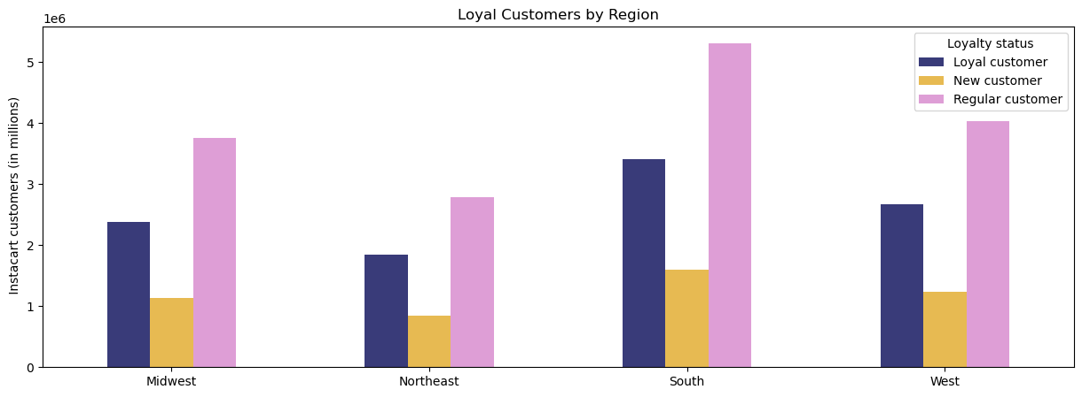

In all four regions Regular customers make up the highest proportion of Instacart customers, followed by Loyal customers, while New customers make up the smallest proportion.
Most Instacart customers are located in the South, while the Northeast has the lowest number of customers.
.
In all four geographic regions Mid-range priced products are most popular, followed by Low-range priced items.
High-priced products are the least popular for all regions.

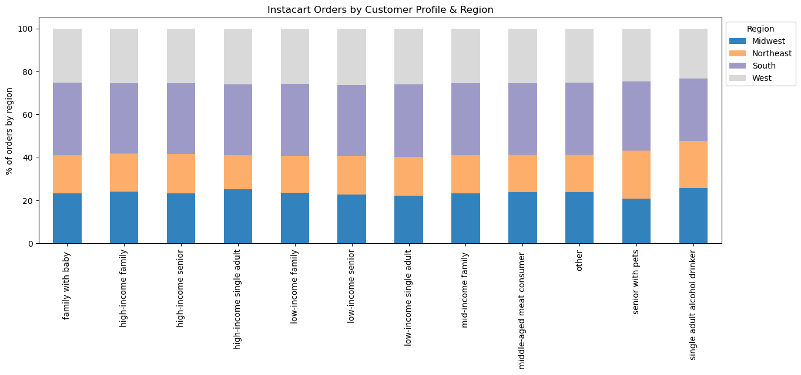

Looking at different customer profiles the distribution of customers in regards to the geographic region they are located in is similar. Most customers originate from the South, least customers from the Northeast.

8. Is there a connection between age and family status in terms of ordering habits?

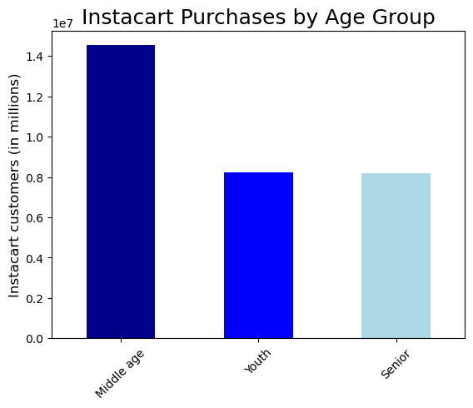
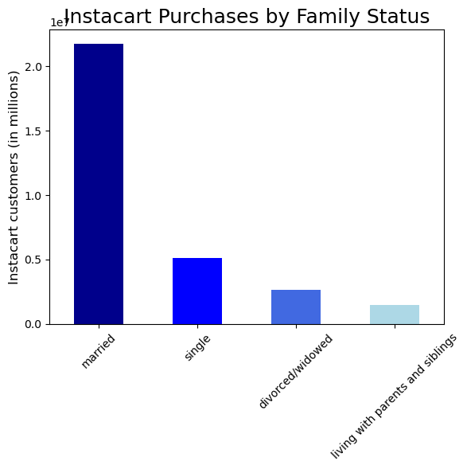

Most Instacart customers are between 35 and 65 years old (Middle age).
There is an equal proportion of customers between 18 and 34 years old (Youth) and customers over 65 years old (Senior).

Most Instacart customers are married. The second most common family status among Instacart customers is single, followed by divorced/widowed. The smallest proportion of Instacart customers live with parents or siblings.

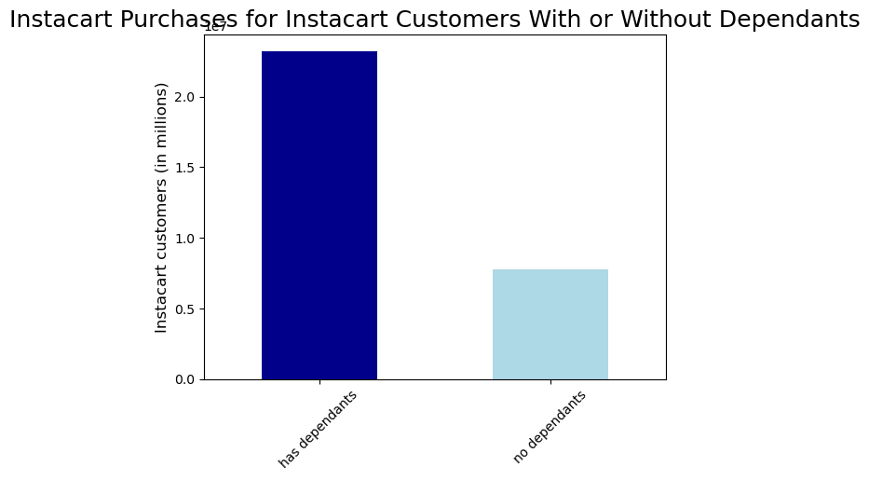
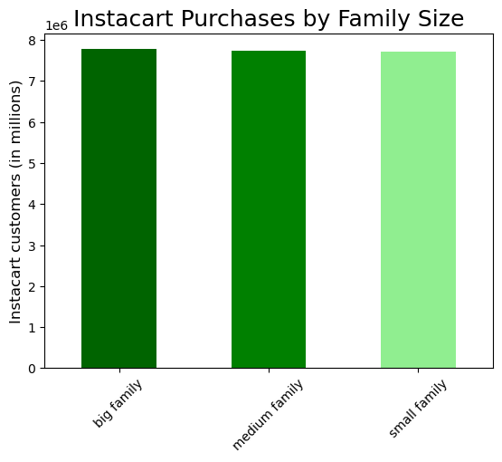

The Instacart purchases in regards to family size are similar. It does not play a role if an Instacart customers has only one dependant (small family), two dependants (medium family) or 3 dependants (big family).
The majority of Instacart customers have dependants.

9. What different classifications does the demographic information suggest? Age? Income? Certain types of goods? Family status?

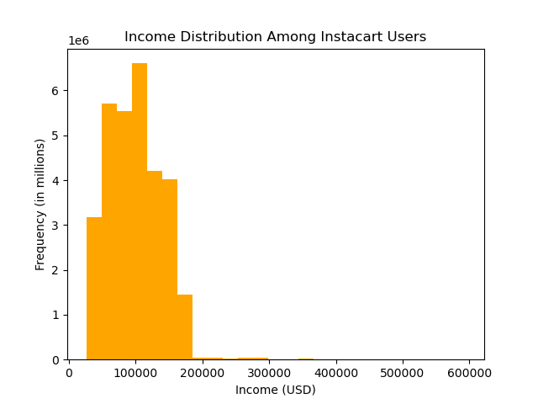
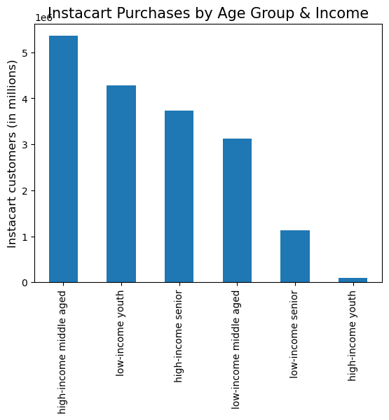
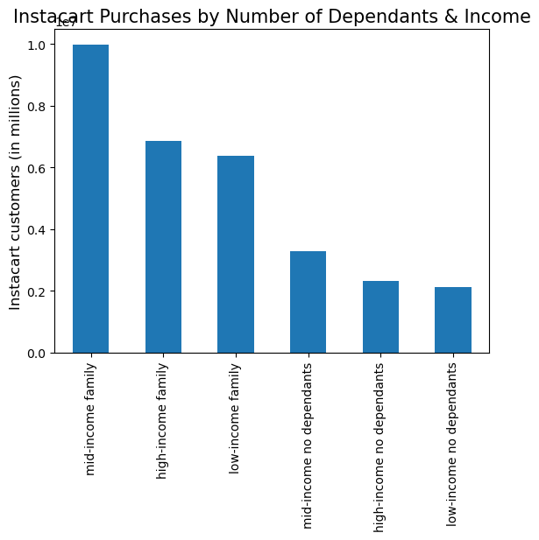

The majority of Instacart customers have an income between $70.000 and $120.000.
Very few customers have an income above $180.000.

Looking at age and income, middle-aged customers with high income (> $120.000) account for most of the purchases, followed by young people with low income (< $70.000) and seniors with high-income. The least Instacart orders are placed by young people with high income which could be due to this age group more eating out at restaurants than ordering groceries.
Looking at number of dependants and income, the most orders are placed by familes: most purchases are made by mid-income families (income: $70.000-120.000), followed by high-income families (income: > $120.000) and low-income families (income: < $70.000).
Customers with low income and without dependants make up the smallest proportion.

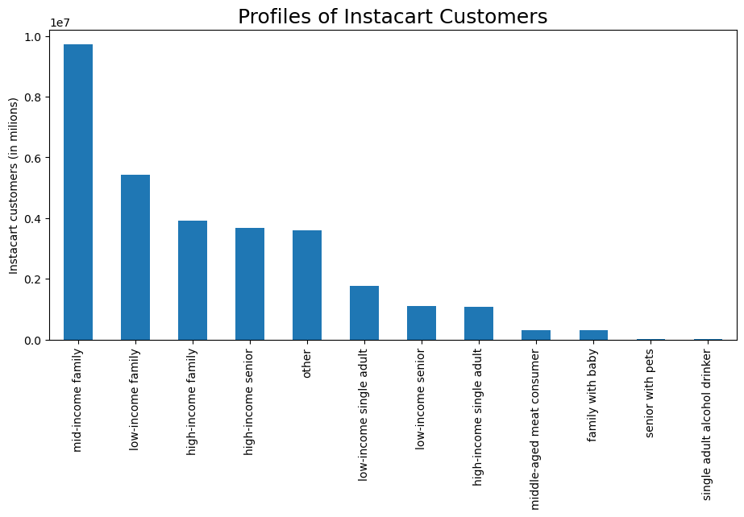

Looking at different customer profiles, families of all income groups account for the majority of Instacart customers, followed by "high-income seniors".
Single adults with low income place more orders than seniors with low income.
Comparing single adults with high income and low income, more purchases are made by customers with low income.
Categorizing customers by department shows that "middle-aged meat consumers" and "families with babies" place more orders than "seniors with pets" or "single adult alcohol drinkers".

10. What differences can you find in ordering habits of different customer profiles? Consider the price of orders, the frequency of orders, the products customers are ordering, and anything else you can think of.

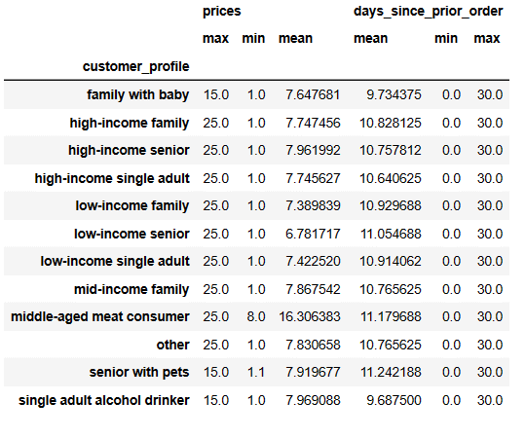
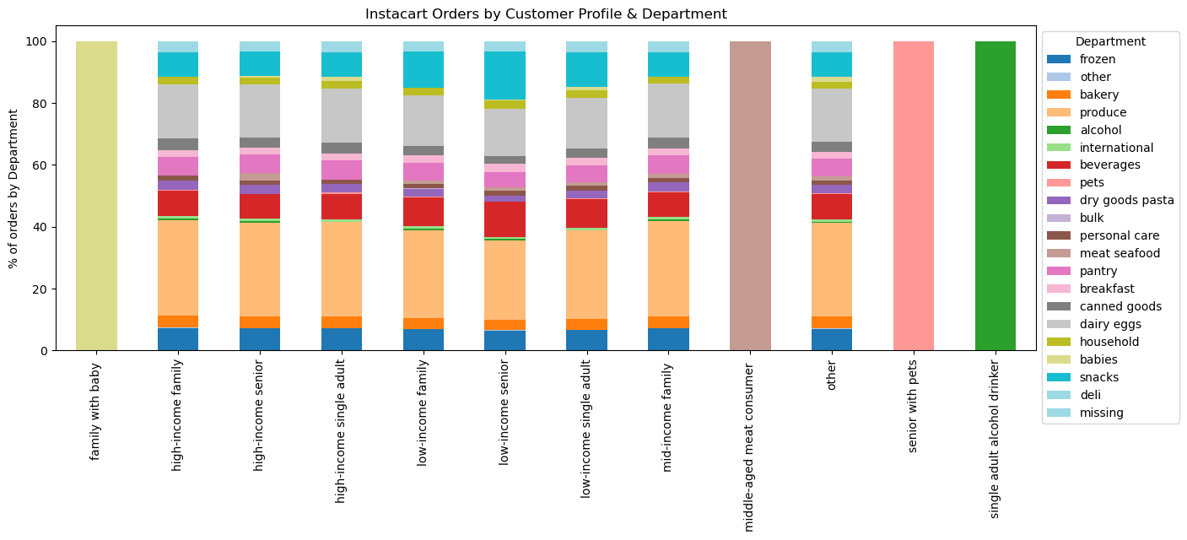

Looking at different customer profiles, the maximum price of orders is similar for all profiles except for the department specific profiles: "family with baby", "senior with pets" and "single adult alkohol drinker".
The minimum price of order is higher for the "middle-aged meat consumer" since meat is usually higher priced than most items.
The average price per order is similar for all customer profiles shown, except for the meat consumer.
There are no significant differences between customer profiles when considering frequency of orders.

Looking at different customer profiles the ordering habits by department are very similar, except for the categories "family with baby", "middle-aged meat consumer", "senior with pets" and "single adult alcohol drinker". This makes sense since they were created in relation to a specific department.
Besides that the ordering behaviour according to the different customer profiles is almost the same for each department.

7. Recommendations
 |  | Title page

Recommendations

In this tab you should include any recommendations you would made to Instcart in terms of their marketing strategy based on the questions posed in the brief. Every key question has been covered in the Tasks of the Exercises - here you need to add an item - a visualisation or table/crosstable that is showing the answer in the data, acompanied by a comment from you. Please, list the questions below and add the answer underneath.

Question | Answers and Recommendations
Key Question 1 | Most Instacart orders are placed at the weekends on Saturday and Sunday. The busiest times of a day are between 9am and 3pm and orders drop drastically after 6pm until the next day 8am. Therefore, the best times to schedule more ads might be on weekdays after 6pm.
Key Question 2 | Most orders are placed during the regular hours from 9 am to 5 pm. Nevertheless, the high-priced products are sold early in the morning from 12 pm - 7 am. Therefore, we would recommend to invest in marketing strategies that focus on the busiest hours of the day (9 am to 3 pm) and for example offer promotions or discounts on the more expensive products during those times.
Key Question 3 | Most Instacart customers prefer to order mid-range products priced between $5 and $15, followed by low-range products with prices under $5. The least revenue is made with higher priced items over $15. Therefore, Instacart could try to expand and better market their high-price products to increase sales.
Key Question 4 | The most popular products are mid- and low-range priced products from the produce, dairy/eggs and snack departments. Therefore, Instacart should continue investing in those products of high revenue and make sure they are always stocked.
Key Question 5 | The most common Instacart customers are Regular customers who reorder in average every 12 days, followed by Loyal customers that reorder in average every 6 days. The smallest proportion of Instacart customers are New customers that place an order in average every 18 days. Based on these findings the marketing and sales team could create a loyalty program to reward Loyal customers which could also motivate Regular and New customers to order more frequently.
Key Question 6 | The Regular customers are responsible for most of the orders throughout all of the departments, followed by the Loyal customers. New customers place the least orders throughout all the departments. To increase sales within the most popular departments: produce, dairy/eggs, snacks and beverages, Instacart could offer special discounts and promotions to encourage all customer groups to place more orders.
Key Question 7 | There are no significant differences in ordering habits based on geographic region. However the biggest Instacart customer base can be found in the South. Therefore, this region could be used in regards to launching new brands or products. Furthermore Instacart should also focus on growing in regions with less customers, especially in the Northeast.
Key Question 8 | The majority of Instacart customers are middle-aged married people with at least one dependant. Therefore, the marketing team could focus on marketing strategies to make the brand more attractive and accessible for singles, young people and seniors.
Key Question 9 | Families of all income groups account for the majority of Instacart customers. Seniors with high income also make up a big proportion of the Instacart customer base. Based on this, the marketing and sales team could try to boost sales by promoting discounts on items that are more popular among single people and elderly people.
Key Question 10 | Most customer profiles show similar ordering habits regarding price of orders, frequency of orders and department preference. Therefore, general marketing campaigns can be used.

